MAIN ORDER
Shin Textile Solutions Co., Ltd.
08376 Room#801, E&C VENTURE DREAM TOWER II
55, Digital-ro 33-gil, Guro-gu, Seoul, Republic of Korea
PROFORMA INVOICE
 |  |  |  |  |  |  |  | 1 of 1 page
 |  |  |  |  |  |  |  |  |  |  |  |  |  |  |  |  | 
Contract No. : TY23-P0012 |  |  |  |  |  |  |  | Date: 2023-01-09

ATTN: | Toray International / Mr. Igarashi
 | Hugenottenallee 175, 63263 Neu-Isenburg, Germany
 | Phone: +49 (0) 6102 7999 120 / Fax: +49 (0) 6102 7999 292 |  |  |  |  |  |  | > EX-factory date 면 충분한지? Ship date 또는 입고일은?

PO# | Order# | STYLE | Q'ty |  | U/Price | Amount | Curr | Expected
 |  |  |  |  |  |  |  | Ex Factory Date
 | TY19-S0001 | SAMPLE | 100 | PCS | 1.00 | 100.00 | USD | 2023-06-01
 | TY19-S0002 | SAMPLE2 | 200 | PCS | 2.00 | 400.00 | USD
 | TY19-S0003 | SAMPLE3 | 300 | PCS | 3.00 | 900.00 | USD
TOTAL |  |  | 600 | PCS |  | 1,400.00

1. Price term |  | FOB | > 오더등록시 CM, FOB, DAP, DDP 조건 등록할 필요 있는지? 아니라면, PI에서 선택하게 해야 함. |  |  |  |  |  | 선택지 | CM | FOB | CIF | DAP | DDP
2. Payment Term |  | T/T 30days after shipment
3. Country of Origin |  | Ethiopia |  |  |  |  |  |  | 선택지 | Ethiopia | Vietnam | Korea
4. Loading port |  | Djibouti |  |  |  |  |  |  | 자유입력
5. Destination |  | Newyork |  |  |  |  |  |  | 자유입력
6. Tolerance |  | +/- 3 % shipment from Order Q'ty could be allowed |  |  |  |  |  |  | 선택지 | +/- 1 % shipment from Order Q'ty could be allowed |  |  |  |  | 선택지 | allowed. | not allowed.
7. Partial shipments |  | allowed. |  |  |  |  |  |  |  | +/- 2 % shipment from Order Q'ty could be allowed
8. Transshipments |  | allowed. |  |  |  |  |  |  |  | +/- 3 % shipment from Order Q'ty could be allowed
 |  |  |  |  |  |  |  |  |  | +/- 4 % shipment from Order Q'ty could be allowed
9. Bank Details |  |  |  |  |  |  |  |  |  | +/- 5 % shipment from Order Q'ty could be allowed

* Bank Name |  | KOOKMIN BANK, DIGITAL VALLEY CORPORATE BANKING BRANCH
 |  | ACE TWIN TOWER II, 212-30, GURO-3DONG, GURO-GU, SEOUL, KOREA
 |  | GURO-GU, SEOUL, KOREA
* Account Name |  | SHIN TEXTILE SOLUTIONS CO., LTD.
* Account No. |  | 037668-09-100143
* Swift Code |  | CZNBKRSE

**Pls kindly note bank charge for applicant and intermediary for the amount less than U$1,000 should be on your account .

We are seller hereby confirm the above order from you as buyer for the goods mentioned above on the terms and conditions as stated. Please signify your confirmation of the order and acceptance of the terms and conditions here of by signing and returning duplicate copy this sales contract to us immediately. If you find anything contained here not in order, pls let us know immediately by fax or e-mail. If you do not return the signed duplicate copy of the sales contact within 14 days of the date of sales contract, you shall be deemed to have confirmed the order and accepted the terms and conditions set here in.

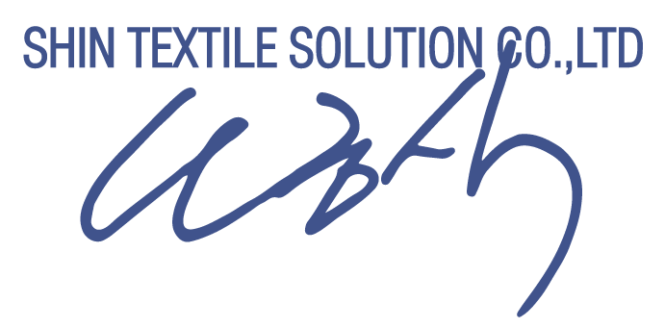
Confirmed and accepted by

 |  |  |  |  | Shin Textile Solutions Co.,LTD | SHIN TEXTILE SOLUTIONS CO.,LTD

